Sheet1
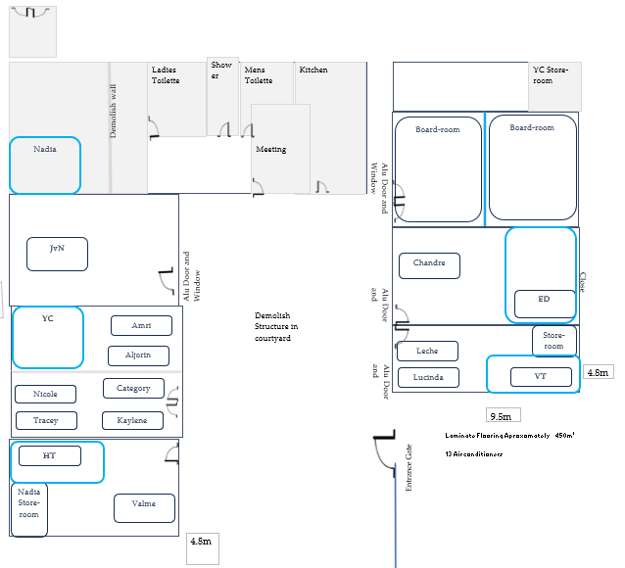
Area | Manager | Width | Length | SQM Total | Running M
Classroom 1 | VT | 4.8 | 9.5 | 45.6 | 28.6
Classroom 2 | ED | 4.8 | 9.5 | 45.6 | 28.6
Classroom 3 | Boardroom / 2 | 4.8 | 9.5 | 45.6 | 28.6
Classroom 4 | HT | 4.9 | 8.6 | 42.14 | 27
Classroom 5 | YC | 4.9 | 8.6 | 42.14 | 27
Classroom 6 | YC | 4.9 | 8.6 | 42.14 | 27
Classroom 7 | JvN | 4.9 | 8.6 | 42.14 | 27
Kitchen |  | 2.7 | 5.8 | 15.66 | 17
Office 1 | Nadia / Lounge | 4.8 | 8.2 | 39.36 | 26
Office 2 | Storeroom | 2.8 | 3.9 | 10.92 | 13.4
Office 3 | Ablution | 2.1 | 2.5 | 5.25 | 9.2
Office 4 | Ablution | 2.9 | 2.5 | 7.25 | 10.8
Office 5 | Meeting room | 2.9 | 3.8 | 11.02 | 13.4
Recep | Break through doors
Toilet |  | 1 | 3.8 | 3.8 | 9.6
TOTAL |  |  |  | 398.62 | 293.2

